Sheet1
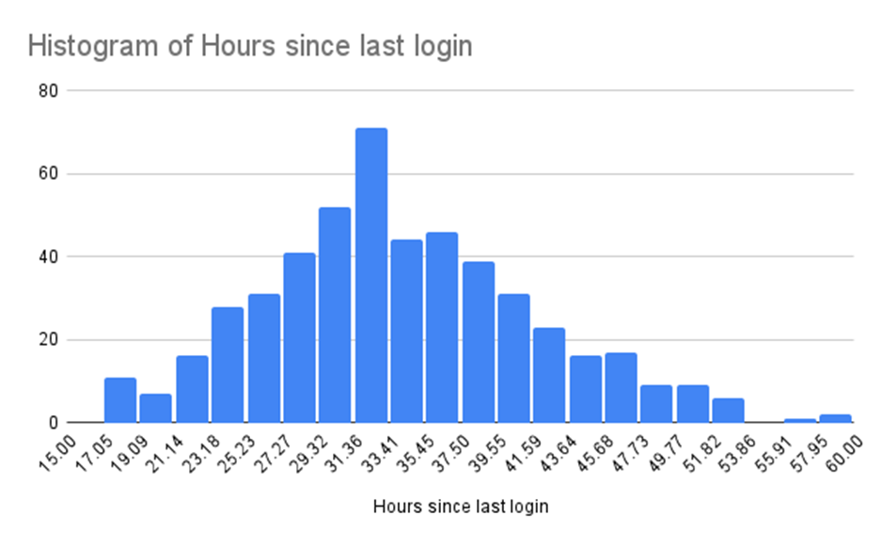
Profile ID | Age | Median: | 33
59844 | 41.42 | 2nd Quartile: | 33
59809 | 30.23 | Maximum: | 59.81
59639 | 33.26 | Mean: | 34.16472
59509 | 43.98 | Standard Deviation: | 8
59274 | 28.08
58930 | 33.61
58889 | 34.18
58844 | 18.42
58842 | 30.71
58277 | 22.52
58122 | 47.76
57964 | 30.16
57563 | 18.77
57447 | 30.73
57365 | 32.86
57335 | 31.83
57241 | 23.64
57174 | 28.93
56822 | 38.16
56763 | 51.44
56448 | 22.83
56410 | 51.8
56221 | 37.53
56023 | 28.6
55970 | 33.45
55835 | 40.72
55765 | 44.05
55762 | 38.05
55737 | 26.02
55406 | 25.93
55394 | 42.05
55359 | 36.14
55333 | 34.45
55279 | 24.98
55015 | 25.84
54936 | 23.6
54870 | 24.05
54864 | 39.91
54838 | 22.45
54480 | 47.41
54410 | 31.83
54091 | 22.61
53878 | 21.95
53830 | 32.47
53815 | 39.04
53790 | 35.54
53680 | 33
53661 | 37.26
53641 | 20.74
53533 | 30.72
53317 | 30.41
53102 | 39.62
53080 | 29.69
53045 | 39.94
52861 | 38.11
52820 | 33.48
52509 | 18.2
52398 | 28.37
52337 | 42.48
52075 | 29.59
52038 | 36.79
51908 | 42.86
51693 | 36.07
51566 | 35.42
51497 | 35.37
51432 | 33.82
51318 | 43.61
51110 | 23.37
50793 | 28.44
50690 | 33
50591 | 58.3
50490 | 24.54
50452 | 36.19
50436 | 33.82
50406 | 31.8
50280 | 23.34
50013 | 28.83
49936 | 40.94
49844 | 38.52
49591 | 39.06
49349 | 38.89
49162 | 39.36
49102 | 47.66
49064 | 44.54
48775 | 42.39
48526 | 53.56
48348 | 52.31
48242 | 36.22
48067 | 40.63
48031 | 32.8
47782 | 36.1
47494 | 42.94
47408 | 43.3
47232 | 45.79
46929 | 27.77
46898 | 47.43
46886 | 32.95
46690 | 52.04
46505 | 27.35
46402 | 49.52
46303 | 28.03
46254 | 22.54
46153 | 21.95
46140 | 28.88
46027 | 32
45986 | 32.08
45717 | 30.48
45705 | 41.47
45523 | 30.71
45506 | 49.86
45344 | 23.63
45024 | 29.67
44768 | 32.07
44717 | 33.28
44272 | 40.02
44233 | 33.61
44062 | 34.35
44051 | 25.3
44013 | 33
43524 | 33
43401 | 25.08
43210 | 44.64
43161 | 26.62
43104 | 37.58
42983 | 38.47
42967 | 32.45
42732 | 41.15
42599 | 33.98
42259 | 38.46
42079 | 33.31
42070 | 36.87
41970 | 38.8
41867 | 18.87
41763 | 30.83
41692 | 29.84
41637 | 27.19
41610 | 31.15
41193 | 35.71
40973 | 34.21
40929 | 47.01
40747 | 41.46
40697 | 29.81
40611 | 43.29
40519 | 26.89
40315 | 25.64
40205 | 28.55
40203 | 30.72
40175 | 51.42
40054 | 31.23
39916 | 18.7
39814 | 39.05
39716 | 26.42
39590 | 29.84
38955 | 24.52
38843 | 32.34
38677 | 38.98
38664 | 27.22
38622 | 38.16
38413 | 41.91
38392 | 23.63
38168 | 26.37
38084 | 33
38078 | 31.55
37980 | 29.81
37966 | 37.46
37945 | 43.06
37684 | 30.71
37639 | 35.91
37393 | 18.86
37353 | 31.29
37059 | 32.13
37056 | 35.06
36759 | 28.17
36686 | 33.71
36476 | 19.43
36120 | 27.41
36073 | 33
35944 | 37.8
35783 | 28.35
35758 | 43.93
35665 | 23.93
35637 | 33
35521 | 45.14
35504 | 33
35371 | 34.36
35355 | 25.41
35307 | 33.73
35213 | 28.83
35032 | 32.59
34990 | 24.1
34983 | 36.8
34847 | 39.09
34844 | 41.21
34816 | 25.38
34605 | 35.22
34317 | 27.68
34300 | 47.75
34291 | 43.46
34267 | 23.64
33983 | 52.2
33886 | 32.74
33253 | 35.65
33198 | 53.1
33076 | 34.81
33034 | 33.81
32953 | 26.28
32771 | 28.66
32750 | 48.63
32652 | 31.26
32590 | 45.32
32528 | 41.56
32294 | 22.83
32168 | 29.31
32129 | 26.04
31972 | 49.22
31675 | 28.34
31594 | 38.15
31293 | 35.16
31050 | 23.63
30917 | 28.52
30877 | 24.26
30665 | 23.11
30598 | 34.04
30520 | 25.46
30488 | 43.16
29760 | 33.52
29663 | 31.01
29644 | 47.81
29616 | 44.31
29186 | 40.9
28967 | 25.25
28958 | 21.58
28800 | 49.7
28660 | 46.24
28556 | 46.3
28308 | 22.92
28211 | 26.34
28204 | 38.85
28112 | 33.59
27864 | 41.09
27786 | 33.65
27487 | 36.45
27455 | 39.06
27381 | 33
27300 | 37.43
27223 | 30.46
27054 | 22.88
27026 | 33
26971 | 37.34
26755 | 25.95
26736 | 49.98
26628 | 35.88
26586 | 34.17
26546 | 40.79
26322 | 32.82
26242 | 29.38
26216 | 33
26204 | 45.17
26045 | 33.3
25866 | 33
25615 | 47.31
25356 | 28.43
25269 | 36.75
25141 | 32.54
25062 | 33.23
24577 | 20.61
24526 | 35.44
24503 | 28.96
24377 | 20.26
24331 | 33
24329 | 40.9
24298 | 46.76
24091 | 39.89
24087 | 40.26
24034 | 42.24
24007 | 59.81
23988 | 23.21
23782 | 23.27
23600 | 31.39
23331 | 25.74
23278 | 25.15
23256 | 29.82
23209 | 51.85
23141 | 27.67
23079 | 38.89
22950 | 34.51
22878 | 32.86
22777 | 47.19
22736 | 28.83
22731 | 37.03
22689 | 38.83
22535 | 35.13
22529 | 32.29
22461 | 30
22417 | 45.39
22400 | 33
22356 | 46.75
22327 | 28.86
22274 | 30.32
22150 | 36.81
22004 | 30.44
21864 | 31.89
21724 | 24.89
21625 | 35.76
21555 | 18.8
21548 | 18.25
21497 | 18.57
21207 | 28.86
21048 | 25.7
21000 | 37.44
20938 | 28.76
20919 | 46.46
20789 | 29.73
20756 | 41.56
20750 | 28.59
20657 | 45.57
20636 | 38.99
20475 | 37.28
20374 | 27.64
19952 | 18.02
19936 | 35.68
19806 | 30.27
19800 | 33
19610 | 51.31
19259 | 39.37
19153 | 35.89
19125 | 42.51
18959 | 34.38
18879 | 46.61
18793 | 30.01
18700 | 29.1
18526 | 28.83
18466 | 35.68
18405 | 34
18404 | 36.6
18233 | 34.74
18231 | 37.61
18225 | 39.5
18185 | 32.58
18076 | 34.55
17883 | 35.55
17790 | 27.78
17707 | 42.02
17704 | 36.29
17629 | 29.89
17484 | 38.26
17350 | 44.64
17035 | 45.15
16918 | 33
16874 | 32.69
16790 | 30.92
16558 | 40.39
16483 | 47.02
16334 | 36.33
16198 | 29.6
16072 | 39.19
15994 | 35.58
15855 | 38.06
15583 | 34.39
15411 | 38.32
15182 | 41.94
15106 | 33
15080 | 41.84
15065 | 33
14893 | 45.87
14763 | 33
14713 | 33
14484 | 41.13
14312 | 44.74
14297 | 27.15
13935 | 29.31
13904 | 19.11
13629 | 27.64
13480 | 35.26
13463 | 21.22
13391 | 24.01
13384 | 31.98
13377 | 30.77
13376 | 33
13372 | 30.01
13225 | 24.07
13107 | 33
13002 | 43.55
12990 | 46.04
12945 | 31.42
12853 | 34.03
12851 | 18.55
12706 | 28.23
12547 | 28.4
12440 | 28.58
12408 | 32.76
12377 | 30.42
12345 | 32.2
12169 | 47.53
12063 | 36.53
12019 | 29.54
11938 | 33.07
11892 | 41.48
11700 | 43.34
11688 | 33.46
11636 | 41.09
11557 | 30.69
11404 | 20.13
11320 | 35.88
11234 | 48.9
11131 | 29.64
10946 | 30.1
10885 | 40.03
10481 | 23.94
10248 | 24.3
10234 | 33
10204 | 37.15
10200 | 30.65
10062 | 29.87
9635 | 33
9504 | 32.94
9484 | 29.97
9425 | 30.37
9350 | 23.68
9276 | 25.81
9272 | 29.64
9122 | 33.5
8948 | 31.58
8915 | 39.68
8864 | 33
8773 | 30.72
8756 | 37.83
8506 | 28.55
8346 | 34.62
8032 | 31.24
8021 | 28.57
7902 | 51.6
7814 | 32.42
7544 | 37.09
7501 | 26.6
7324 | 36.91
7158 | 38.82
7088 | 37.16
6372 | 34.65
6144 | 45.62
5572 | 22.88
5485 | 29.02
5464 | 33.8
5247 | 33
5232 | 29.58
5150 | 26.62
5070 | 21.3
5068 | 28.54
5057 | 43.58
4885 | 25.57
4788 | 42.41
4771 | 32.18
4719 | 38.63
4711 | 42.31
4702 | 36.01
4548 | 36.61
4513 | 25.26
4478 | 37.41
4336 | 38.16
4312 | 32.36
4257 | 26.96
4083 | 36.74
3978 | 41.28
3716 | 38.54
3677 | 50.63
3502 | 49.91
3312 | 34.45
3216 | 33
3199 | 43.72
3177 | 36.31
3075 | 26.92
3027 | 49.12
2977 | 27.18
2902 | 33
2661 | 24.95
2647 | 33
2591 | 37.45
2535 | 35.97
2494 | 32.41
2410 | 20.77
2307 | 55.96
2202 | 33.93
2134 | 29.91
1874 | 26.45
1357 | 41.51
1202 | 39.19
1196 | 35.13
1190 | 31.37
1040 | 41.33
994 | 40.08
767 | 31.81
708 | 21.52
662 | 31.17
577 | 24.48
555 | 35.96
554 | 40.83
277 | 23.57
269 | 38.67
249 | 39.19
229 | 43.1

